Calculations
 |  | 4. Histogram (Age): | 6. Pie Chart (Region):

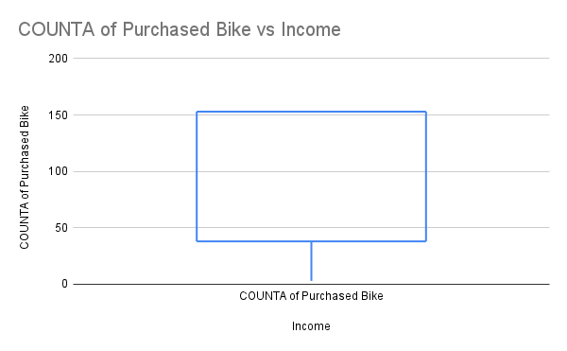

2. Bar Chart (Gender):

3. Histogram (Income): |  |  |  | Quartile(Q1) | Quartile(Q2) | IQR
 |  |  |  | 47500 | 122500
 |  |  | 8. Stacked Bar Chart (Marital Status & Gender):

 |  |  | 9. Correlation Heatmap (Numeric Variables):

 | 7.Scatter Plot (Income vs. Age

Dashbord
BIKE BUYER DASHBORD
COUNTA of Purchased Bike vs Income
bike purchases with respect to marital status
Gender Based Bike Purchase

1. Bar Chart (Marital Status) | 2. Bar Chart(Gender) | 3. Purchase bike vs income
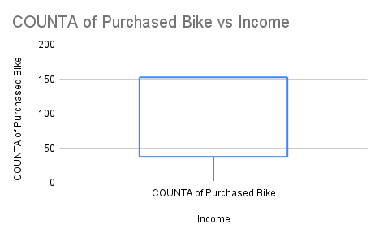
COUNTA of Purchased Bike vs Age
Bike Purchase respect to Region

 |  | 6. Pie Chart (Region):
 | 5.Box Plot (Income DISTRIBUTION BIKE
4.BIKE BUYER AGE
Gender, Female and Male
Histogram of MAX of Income

7.Scatter Plot (Income vs. Age | 8.Stacked Bar Chart (Marital Status & Gender): |  | 9.Correlation Heatmap (Numeric Variables):

